Sheet1
LINK | PICTURE | Item | UPC | Product Description | QTY/Ea. | Case pack
 |  | Fabric
https://www.amazon.com/dp/B0B624V1RL?tag=gistb-20&linkCode=osi&th=1&psc=1 | 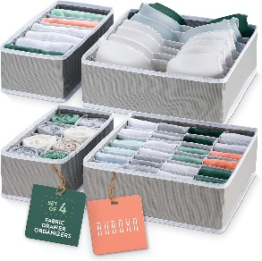 | RUB-FD101/4 | 810101200847 | Set of 4 Fabric Drawer Organizer - Grey | 27718 | 12
https://www.amazon.com/dp/B0B626B6LK?tag=gistb-20&linkCode=osi&th=1 | 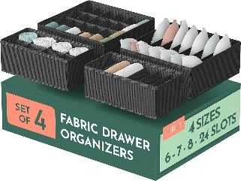 | RUB-FD102/4 | 810101200854 | Set of 4 Fabric Drawer Organizer - Black | 12470 | 12
https://www.amazon.com/Ruboxa-Dresser-Organizer-Organizers-Organization/dp/B0B627HPM1?th=1 | 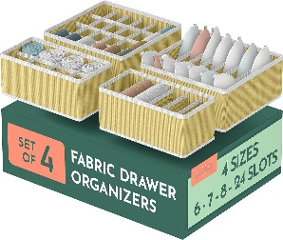 | RUB-FD103/4 | 810101200861 | Set of 4 Fabric Drawer Organizer - Beige | 4020 | 12
https://www.amazon.sg/RUBOXA-Dresser-Organizer-Organizers-Organization/dp/B0B625L4WT?th=1 | 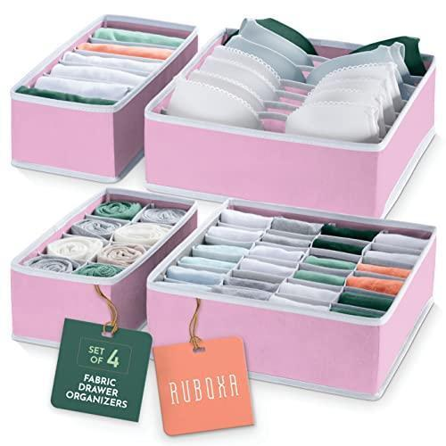 | RUB-FD104/4 | 810101200878 | Set of 4 Fabric Drawer Organizer - Pink | 6420 | 12

 |  |  |  |  | 50628

